Sheet1


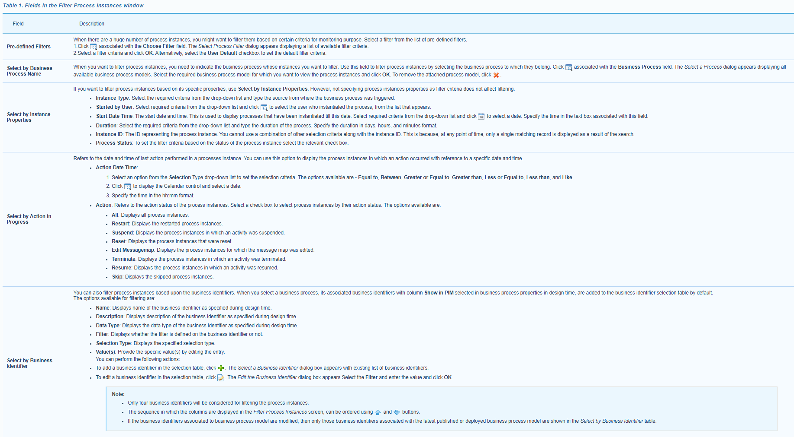

Sheet2
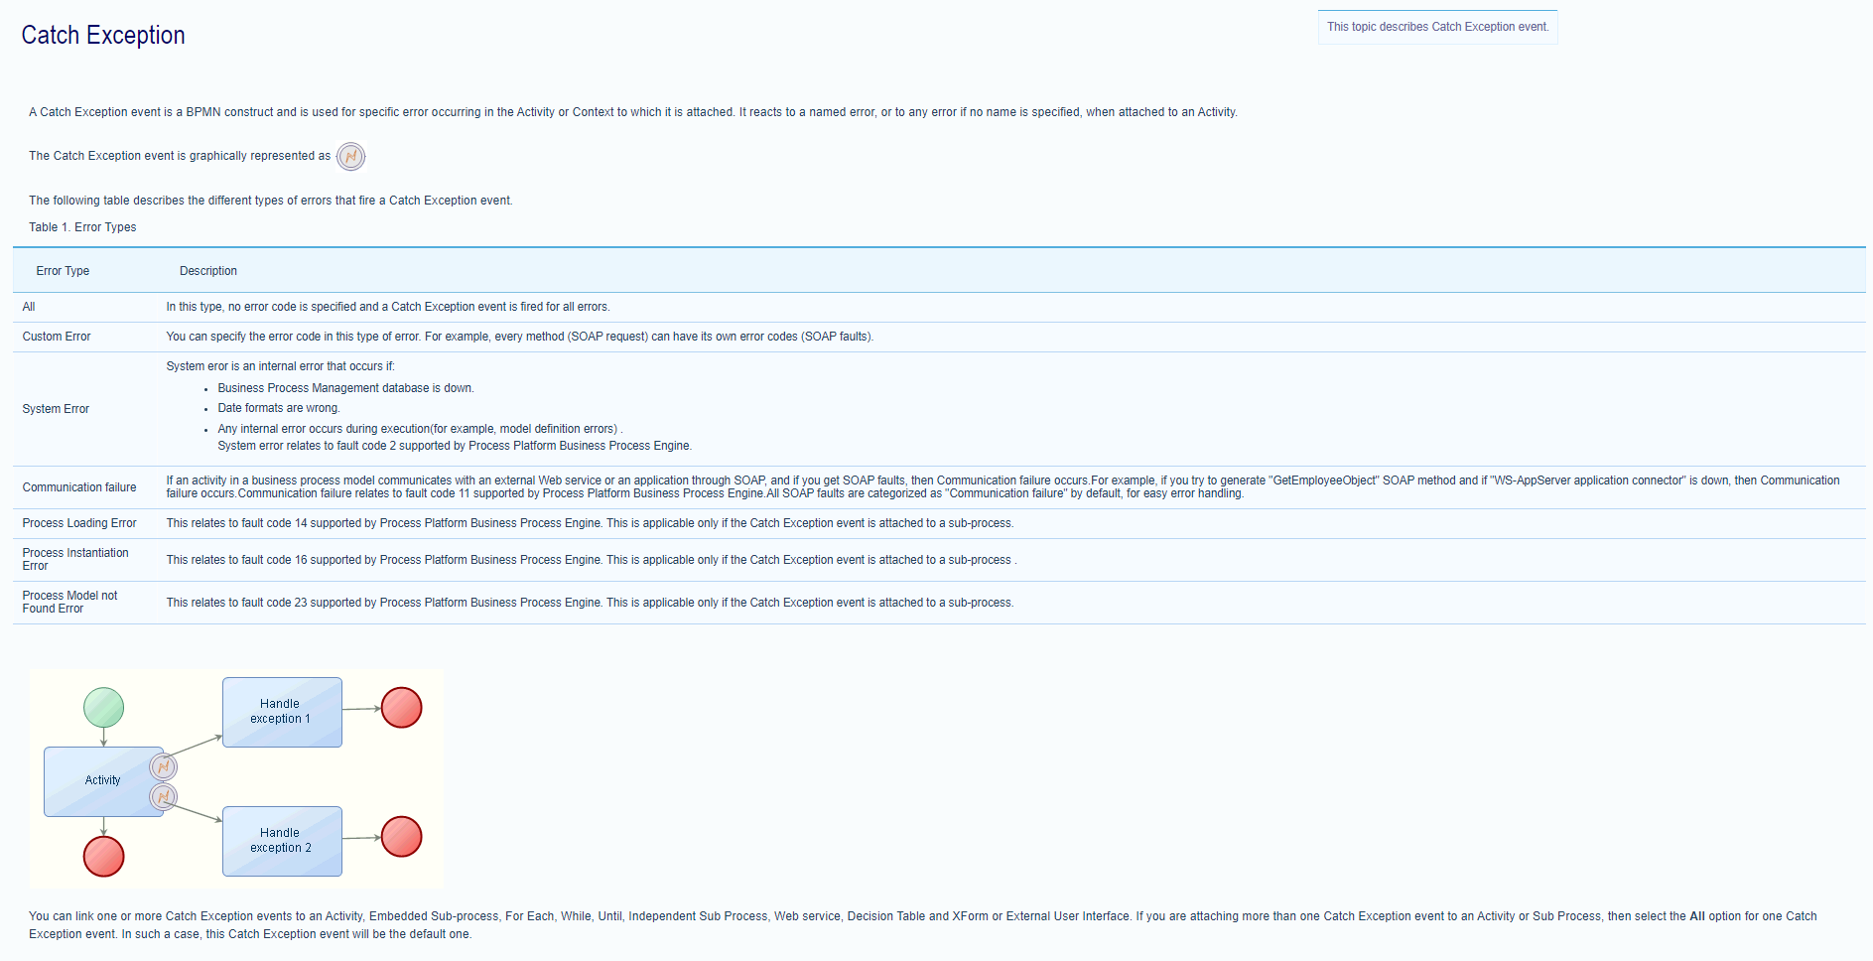

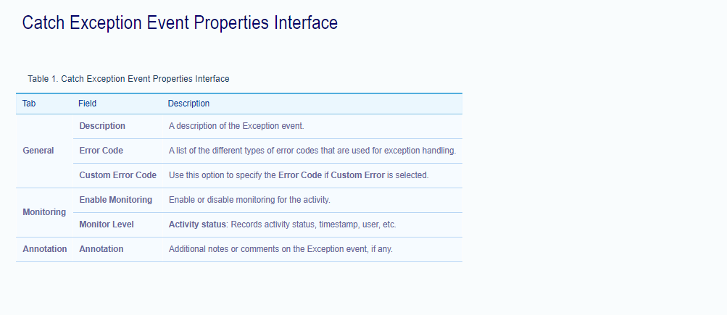

Sheet3
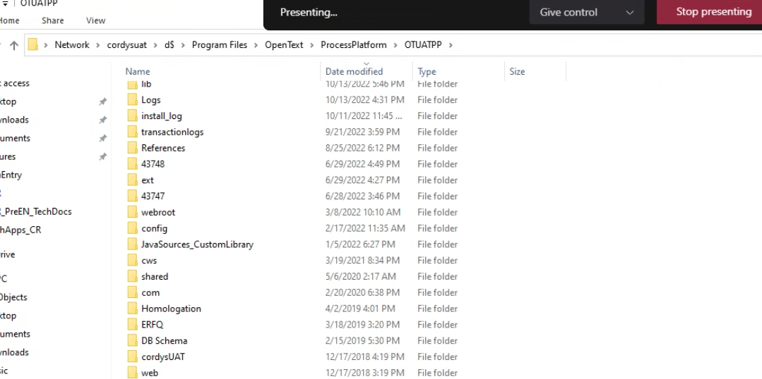

Cordys Installed directory + \bsf\runtime\deploy\shared\DB Schema\VMS\Java Archive VMS Metadata

\\cordysdev\d$\Program Files\OpenText\ProcessPlatform\defaultInst\bsf\runtime\deploy\organization\Migration

just need to search in org .

for js and html need to search in webroot and next ur web qualified structure .

